New Component 2019-20
ALLAMA IQBAL EDUCATION SOCIETY
SHAHEEN INDEPENDENT PU COLLEGE BANGALORE
LIST OF 50 SELECTED STUDENTS FOR FOCUS PROGRAMME IN CLASS XI & XII UNDER FREE COACHING AND ALLIED SCHEME 2019-20
SPONSORED BY MINISTRY OF MINORITY AFFARIS GOVT. OF INDIA NEW DELHI

sl no | ADM | Student Name | Father Name | Permanent Address | Contact No. | Community | Gender | Annual Incom | D.O.B | School Name | Name of Exam | Roll No. | SSLC Percentage | photo
1 | 4173 | A MADIHA HARAM | MOHAMMED ARIFULLAH S B | NO 201, LABABEEN MASJID, NEW THARAGU PET MAIN ROAD, MYSORE ROAD, BANGLORE - 560002 | 8095282622 | MUSLIM | FEMALE | 120000 | 2003-11-18 | WISDOM INTERNATIONAL SCHOOL | STATE | 20190560943 | 85.76 | 
2 | 4148 | AALIYA JAMEEL | JAMEEL AHMED SHARIFF K | #20, 5th CROSS, DINNUR MAIN ROAD, KAUSAR NAGAR, RT NAGAR, BANGALORE - 560032 | 9886081786 | MUSLIM | FEMALE | 30000 | 2002-12-07 | VATICAN HIGH SCHOOL | STATE | 20190611635 | 95.84 | 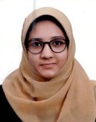
3 | 4375 | AJMALUNNISA | TAJ MAHAMMED | ULLANJE HOUSE, MENNA BETTU, KINNIGOLI, MANGALORE, DK - 574150 | 8762537679 | MUSLIM | FEMALE | 24000 | 2004-04-24 | GOVT PU COLLEGE | STATE | 20190162500 | 87.36 | 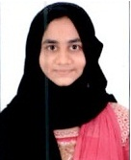
4 | 4160 | AKIFA FIRDOSE | IQTEDAR AHMED | #18, 1ST CROSS, ELGIN PALACE, BALAPPA GARDEN, SHIVAJINAGAR - 560051 | 7892608308 | MUSLIM | FEMALE | 84000 | 2003-04-19 | ST MARYS GIRLS HIGH SCHOOL | STATE | 20190541382 | 87.68 | 
6 | 4127 | ARFA AYAZ | LATE AYAZ ALI BAIG | HALEUPPALLI ROAD, UPPALLI, INDAVARA, CHICKMAGALUR 577101 | 9448775860 | MUSLIM | FEMALE | 95000 | 2002-11-15 | JNANA RASHMI ENGLISH HIGH SCHOOL | STATE | 20190148252 | 95.52 | 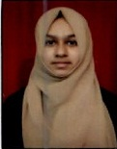
7 | 4417 | B KHALANDAR BEEBI SHIFA | B AHAMED HUSSAIN | 168, 13 WARD KAMPLI KOTE MAIN ROAD, NEAR BANNIGIDA KAMPLI, MUDDAPURA, HOSPET, BELLARY - 583132 | 9164586838 | MUSLIM | FEMALE | 1,80,000/- | 2003-02-18 | CHETHANA VIDYANIKETHAN | STATE | 20190334548 | 96.32 | 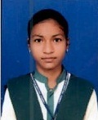
8 | 4233 | BI BI FATHIMA MAHAMMED RAFI PEERJAD | MAHAMMED RAFI MEHABOOB SA | #793, HOSA ONI, KONNUR, BELGAUM - 591231 | 9916212307 | MUSLIM | FEMALE | 397,836 | 2003-01-07 | SHRI GURUSIDDESHWAR GIRLS HIGH SCHOOL | STATE | 20190339537 | 87.84 | 
9 | 4308 | BI BI KOUSAR FATHIMA | LATE MOHAMMED ALEEM | #4/3, 11TH MAIN, OLD GUDDADAHALLI, VINAYAKA NAGAR, NEAR AUTO STAND, BANGALORE - 560026 | 9341237427 | MUSLIM | FEMALE | 95000 | 2003-05-29 | JAME UL ULOOM HPS SJP ROAD | STATE | 20190335210 | 89.12 | 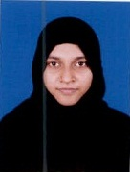
10 | 4236 | CADAPA TASMIYA | CADAPA FIROZ KHAN | 9-341-A , BUDIGI KHADAR STREET, KADIRI, ANANTHAPUR, ANDHRA PRADESH - 515591 | 9704573909 | MUSLIM | FEMALE | 1,20,000/- | 2003-08-03 | SREE VALMEEKI HIGH SCHOOL | STATE | 1924121634 | 93.1 | 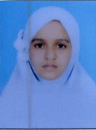
12 | 4384 | DHARMAVARAM BASHEERA BANU | DHARMAVARAM SUBHAN | #8/138, T P STREET, KADIRI, ANANTAPUR, ANDHRA PRADESH - 515591 | 9704002690 | MUSLIM | FEMALE | 1,50,000/- | 2004-01-25 | SRI SHANTHINIKETHAN EM HIGH SCHOOL | STATE | 1924121345 | 95 | 
13 | 4360 | FOUZIA PARVEEN | MOHAMMED ALAUDDIN | #106, 1ST FLOOR, HKP BROAD WAY ROAD, NEAR POLICE STATION, SHIVAJINAGAR, BANGALORE - 560051 | 9886067586 | MUSLIM | FEMALE | 76,000 | 2003-08-11 | THE COLONEL HILL ENGLISH HIGH SCHOOL | STATE | 20190618980 | 84 | 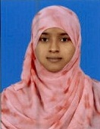
14 | 4257 | FYROZE HANEEN FATHIMA | KUPPAM FYROZE MOHAMED IQB | #24/A, 12TH CROSS, KANAKANAGAR, MADIHA MASJID, SULTANPALYA, BANGALORE - 560032 | 9448926502 | MUSLIM | FEMALE | 1,50,000/- | 2004-01-27 | OASIS INT SCHOOL | IGCSE | 449/0020 | 75 | 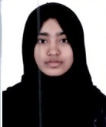
15 | 4174 | G SADIYA TANYEEM | G ABDUL SAMAD | 714/374 WARD NO 9, NEAR GOUSIYA MASJID, MAHEBOOB NAGAR, SIRUPPA, BELLARY - 583121 | 9036426785 | MUSLIM | FEMALE | 15000 | 2003-05-16 | HS ST PHILOMENA ENGLISH SCHOOL | STATE | 20190159780 | 89.44 | 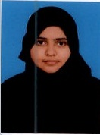
17 | 4246 | GHOUSIYA BEGAM I | IBRAHIM | #19, BROADWAY ROAD, B CROSS, RAGHAVENDRA BAKERY, SHIVAJINAGAR, BANGLORE - 560051 | 8105290019 | MUSLIM | FEMALE | 60,000 | 2004-01-23 | THE COLONEL HILL ENGLISH HIGH SCHOOL | STATE | 20190541441 | 80.16 | 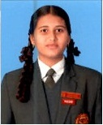
18 | 3943 | HAFSA TASNEEM | MOHAMMED SAMEER BAIG | # 42/5 NANDI DURGA ROAD JAYAMAHAL EXTENSION BANGALORE 560 0046 | 7411440112 | MUSLIM | FEMALE | 60,000 | 2004-03-06 | NAASHI PUBLIC SCHOOL | STATE | 20190749776 | 93.7 | 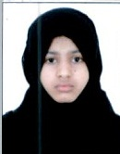
19 | 4164 | HARMYN TABASSUM | SHAIK MAHBOOB | #23, Q NO 4TH STREET, 1ST CROSS, BHARATHI NAGAR, THIMMAIAH ROAD, BANGALORE - 560001 | 9482919442 | MUSLIM | FEMALE | 80000 | 2003-12-13 | ST ROCKS HIGH SCHOOL | STATE | 20190565447 | 83.36 | 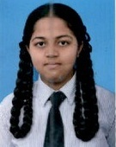
20 | 4155 | HIFZUNNISA | SYED ABUBAKAR | #181, SEPPINGS ROAD, CROSS NEHRU PURAM, BANGALORE - 560001 | 9066265276 | MUSLIM | FEMALE | 96000 | 2003-09-01 | MADANI PUBLIC SCHOOL | STATE | 20190783951 | 90.08 | 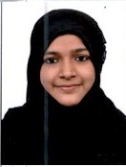
21 | 3854 | HUDA MAHEEN | SHAIK HABEEB UR RAHMAN | 1 BLOCK, MASTI , KOLAR - 563139 | 9632246468 | MUSLIM | FEMALE | 3,00,000 | 2004-11-11 | NEW BRILLIANTS ENGL MED HIGH SCHOOL | STATE | 20190357474 | 84.16 | 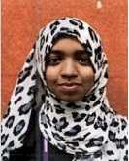
22 | 4386 | ILHAM NADEEM | C R NADEEM AHMED | #2/18, GUNDLUPET ROAD, GK MOHALLA, CHAMARAJANAGARA - 571313 | 9738989828 | MUSLIM | FEMALE | 10,000 | 2003-09-20 | ST FRANCIS ICSE SCHOOL | ICSE | 6881217 | 94.4 | 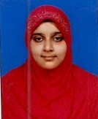
23 | 4195 | LAAIQHA ZULEKHA | A K SHAH | 44,KARNATKA LAYOUT, 2ND STAGE,MASJID-E-NIMRA KURUBARAHALLI, BASAVESHWARANAGAR, BANGALORE - 560079 | 9342389429 | MUSLIM | FEMALE | 6000/- | 2003-07-04 | ST MARYS HIGH SCHOOL | STATE | 20190729302 | 93.44 | 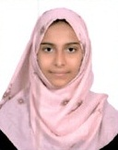
24 | 4100 | MADEEHA FATHIMA | FARHAN KHALID | SAKLESHPURA, HASSAN - 573214 | 9902588247 | MUSLIM | FEMALE | 35000 | 2003-08-25 | G M MEMORIAL SCHOOL | STATE | 20190452987 | 88.96 | 
25 | 4098 | MANTASHA FAHTIMA | MD IQBAL ALAM | 61/A, TOPSIA ROAD, KOLKATTA- 700039 | 9804016377 | MUSLIM | FEMALE | 3,00,000 | 2003-05-16 | JEWISH GIRLS SCHOOL | ICSE | 6837798 | 83.3 | 
28 | 4292 | MUSFIRA | IQRAR AHMED | NO34, 7TH A CROSS, KANAKA NAGAR, NEAR SULTHAN MASJID, RT NAGAR, BANGLAORE -560032 | 9972753077 | MUSLIM | FEMALE | 60,000 | 2003-12-22 | VIJAYA ENGLISH SCHOOL | SSLC | 20190778194 | 86.72 | 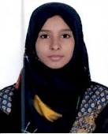
29 | 4332 | MUSKAAN TAJ | MUJAHID PASHA | #822, 1ST CROSS, BEHIND QUBA MASJID, COFFE BOARD COLONY,ARABIC COLLEGE BANGALORE NORTH -560045 | 9916660408 | MUSLIM | FEMALE | 40,000 | 2004-05-15 | NEW CITIZEN SCHOOL HPS AND KS KUSHALNAGAR | STATE | 20190795234 | 93.12 | 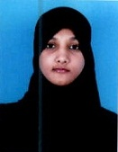
30 | 4222 | NADHIA BANU | MOHAMMED MUSTAFA | #119, 10TH CROSS, NEAR MARIAMMA TEMPLE, ANANDAPURAM, NEW TIPPASANDRA, BANGALORE - 560075 | 9035924430 | MUSLIM | FEMALE | 36000 | 2003-11-11 | SACRED HEART GIRLS HIGH SCHOOL | STATE | 20190541906 | 99.52 | 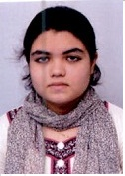
31 | 4365 | NOORAIN AYESHA | MOHAMMED AFZAL K | #9, 3RD CROSS, APJ ABDUL KALAM RASHAD NAGAR, ARABIC COLLEGE, BANGALORE - 560045 | 9901966120 | MUSLIM | FEMALE | 39,000 | 2003-08-03 | DANIYAL MODERN SCHOOL | STATE | 20190705476 | 82.72
32 | 4293 | NURAYN NASHRA | SADIK KHAN KM | #3720, BALEGARA STREET, HASSAN - 573201 | 9886831806 | MUSLIM | FEMALE | 2,00,000 | 2003-03-31 | VIJAYA ENGLISH SCHOOL | STATE | 20190525831 | 99.36 | 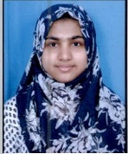
33 | 4288 | NURAYN NIMRA | SADIK KHAN KM | #3720, BALEGARA STREET, HASSAN - 573201 | 9886831806 | MUSLIM | FEMALE | 2,00,000 | 2003-03-31 | VIJAYA ENGLISH SCHOOL | STATE | 20190525832 | 99.04 | 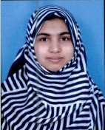
34 | 4289 | NURAYN ZUHA | SADIK KHAN K M | #3720, BALEGARA STREET, HASSAN - 573201 | 9886831806 | MUSLIM | FEMALE | 2,00,000 | 2003-03-31 | VIJAYA ENGLISH SCHOOL | STATE | 20190525833 | 98.88 | 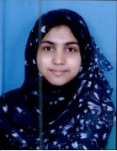
36 | 4218 | QANSA BEGUM | MOHAMMED ILYAS | #68, MACKAN ROAD, BHARATHI NAGAR, BANGALORE - 560001 | 9880719895 | MUSLIM | FEMALE | 2,00,000 | 2003-09-11 | MADANI PUBLIC SCHOOL | STATE | 20190784044 | 90.88 | 
37 | 4084 | RIZWANA | MOHAMMED QAMRUL HUDA | #11/20, 4TH MAIN ROAD,HG LAYOUT, NEAR OLD POST OFFICE, GANGAPPA BLOCK, GANGANAGAR, BANGALORE NORTH , BANGALORE- 560032 | 9060772334 | MUSLIM | FEMALE | 84000 | 2003-08-18 | IQRA HIGH SCHOOL | STATE | 20190584620 | 84.96 | 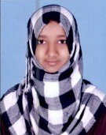
38 | 4146 | RUSHDA BEHJATH | ABDUL WAHEED ALIAS AFTAB | #50 A, 1ST FLOOR, 1ST MAIN, CIL COLONY, SANJAY NAGAR, RMV EXTENSION, BANGALORE - 560094 | 9342023448 | MUSLIM | FEMALE | 68000 | 2003-09-02 | DAFFODILS ENGLISH SCHOOL | ICSE | 6839161 | 96.10 | 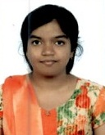
39 | 4237 | RUSHDA QUDSIYAH A K | ABDUL KHUDUS | #780/1, SIDDIQ BUILDING, GOLLAHALLI ROAD, NEAR ARABIC COLLEGE, SHIKARIPALYA, BANGLAORE - 560100 | 9916778802 | MUSLIM | FEMALE | 80000/- | 2003-06-23 | ACTS SECONDARY SCHOOL | ICSE | 6950139 | 89.4 | 
40 | 4205 | SABA ASLAM | ASLAM KHAN | #3/2, 2ND FLOOR, MOSQUE STREET, 3RD CROSS, J C NAGAR, BANGALORE - 560006 | 9845277178 | MUSLIM | FEMALE | 120000 | 2003-11-07 | ST JOSEPH'S CONVENT GIRLS HIGH SCHOOL | STATE | 20190527984 | 77.6 | 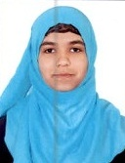
41 | 4286 | SABA SHIRIN | KHALANDAR PASHA | 53, 20TH MAIN, 19TH CROSS, MOSQUE STREET, SMS LAYOUT, JP NAGAR, 5TH PHASE, BNAGLAORE - 560078 | 9886262897 | MUSLIM | FEMALE | 40,000 | 2003-02-14 | SAMVED SCHOOL | STATE | 20190803528 | 85.76 | 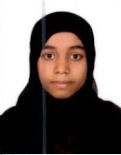
42 | 4142 | SADIYA FATHIMA N | MOHAMMED NAVEED AHMED | # 6/1 1ST A CROSS FIRST FLOOR 5TH MAIN RAHAMATH NAGAR RT NAGAR POST BANFGALORE 560 032 | 9845146022 | MUSLIM | FEMALE | 90000 | 2003-08-31 | TRILLIUM ENGLISH SCHOOL | STATE | 20190616089 | 93.6 | 
43 | 4113 | SALEHA PARVEEN R | MD RAZIUDDIN | #15/30, 7TH CROSS, SOMESHWARA NAGAR, 1ST BLOCK, JAYA NAGAR, BANGALORE - 560011 | 9738178678 | MUSLIM | FEMALE | 48000 | 2003-06-02 | LILLY ROSE ENGLISH SCHOOL | STATE | 20190815562 | 79.68 | 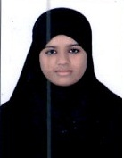
44 | 4414 | SANOFIYA ILHUM | NAWAB JAN | 24, 2ND BLOCK, HUNASANAHALLI MAIN ROAD, YARAB NAGAR, MDR HALL, RAMANAGARAM - 562159 | 9972610736 | MUSLIM | FEMALE | 1,50,000/- | 2002-11-14 | NEW MILLENNIUM HS | STATE | 20190430162 | 84.16 | 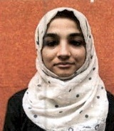
45 | 4472 | SHAIK SHAHISTA | SHAIK JEELAN BASHA | 10-258-11, JOUKPALYAM STREET, KADIRI, ANANTHAPURAM, ANDHRA PRADESH - 515591 | 9492330659 | MUSLIM | FEMALE | 2,30,000/- | 2002-10-27 | SRI SHANTHINIKETHAN EM HIGH SCHOOL | STATE | 1924121407 | 95 | 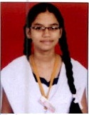
47 | 4444 | SYEDA AYESHA FIRDOUS | SYED SHAUBE AHMED | 64/2A, 11TH CROSS, RAJENDRA NAGAR, KESRE, NEAR FAROOQIA MOSQUE, N R MOHALLA POST OFFICE, MYSORE - 570007 | 9880260286 | MUSLIM | FEMALE | 30000 | 2003-06-24 | SAVITHRI CONVENT HIGH SCHOOL | STATE | 20190288187 | 95.36 | 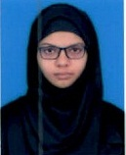
48 | 4291 | SYEDA SANIYA | SYED ASHRUFF | #3854, KOTTANA GIRI STREET, NEAR SHAFI MASJID, NAWAITHWADI, HASSAN - 573201 | 9448051475 | MUSLIM | FEMALE | 1,10,000 | 2003-05-02 | VIJAYA ENGLISH SCHOOL | STATE | 20190453119 | 85.44 | 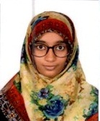
49 | 4282 | SYEDA SUFI | SYED SHABBIR AHMED | #28, NEAR MUTTAN MARKET, AMEER MOHALLA, HASSAN, HASSAN - 573201 | 9008464675 | MUSLIM | FEMALE | 25000 | 2003-01-01 | SRI CHENNAKESHAVA SWAMY GIRLS HIGH SCHOOL | STATE | 20190497943 | 84 | 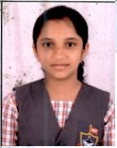
50 | 4413 | UMRAH KHANUM | SHABBEER KHAN | SRINIVASPUR TA KOLAR DIST ADDAGAL, KOLAR - 563161 | 9632944923 | MUSLIM | FEMALE | 70,000/- | 2003-12-15 | ADARSHA VIDYA SAMTE | STATE | 20190490286 | 88.32 | 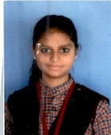

 |  |  | ABSTRACT | CHRISTIAN | TOTAL
 |  |  | BOYS | 0 | 7
 |  |  | GIRLS | 0 | 43
 |  |  | TOTAL | 0 | 50

